Format
PT.ARTACOMINDO JEJARING NUSA
SALARY SLIP
 | Month : |  |  | : | Jan-26
 | Name : |  |  | :
 | Position |  |  | :
 | TMK |  |  | : | 29 Apr.2024
 | Status |  |  | :
 | HK Bulan ini |  |  |  |  | 0 | HK
1 | Basic |  | Salary |  |  |  |  | Rp | -
2 | Allowance :
 |  | 1 | Kehadiran |  |  |  |  | Rp | -
 |  | 2 | Premi Shift |  |  |  |  | Rp | -
 |  | 3 | Lembur |  |  |  |  | Rp | -
3 | BPJS-TK :
 |  | 1 | JHT |  |  |  |  | Rp | -
 |  | 2 | JP |  |  |  |  | Rp | -
4 | Salary Income Tax(PPh21) |  |  |  |  |  |  | Provide by Company
 |  | Take Home Pay(THP) |  |  |  |  |  | Rp | -

salary transfer bank |  |  |  |  |  | : | Bank Mandiri
Account number/Rek. |  |  |  |  |  | :

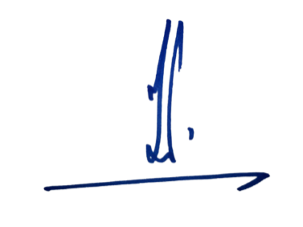
 |  |  |  |  |  | Jakarta, 25Januari 2026
 |  |  |  |  |  | Dept HRD-Payroll

 |  |  |  |  |  | Nazirin Nawawi

